Sheet1
 |  | Document No. | Issue No. | Issue Date |  | Review and Replace Date |  | Authorised By
 |  | GFF215MC | 4 | 10.09.2020 |  | 23.12.2021 |  | Magda Shah
 |  | Document Title | KASHMIRI RICE 300g

Document amendments reason for change |  | Film Updated |  | Page 1 of 1 | Previous Issue Date |  | 11.06.2021 | Uncontrolled copy unless signed original

CRIKA-R4TCC | CHEFS CREATION |  | KASHMIRI RICE 300g | CHILLED
STEP 1 |  |  |  |  | STEP 2
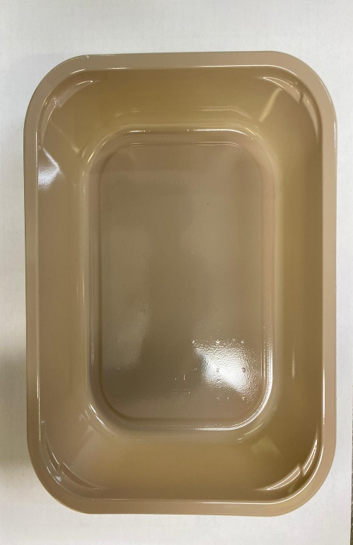 |  |  |  |  | 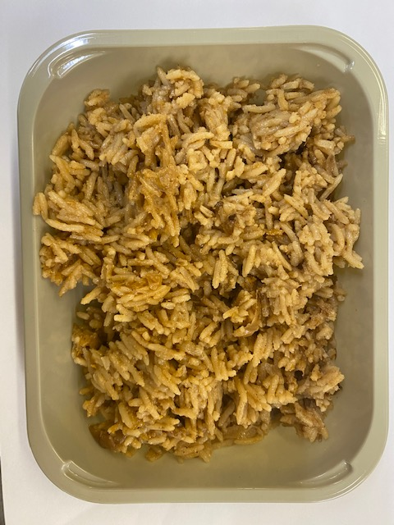

Tray: EVOLVE CPET 2200-1E (PKRHP001-08) |  |  |  |  | Kashmiri Rice (CC) (GFF326R): 295g

Film: K peel 7G+25A/f- 275mm (275 mmX1000)(PKKMP001-03)

STEP 3 |  |  |  |  | STEP 4
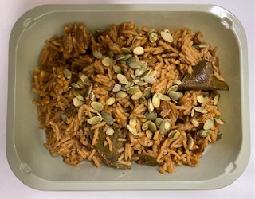

Heat Treated Pumpkin Seeds (RMBAK001-03): 5g
TOTAL WEIGHT: 300g
ALLERGY ALERT: none

